P6
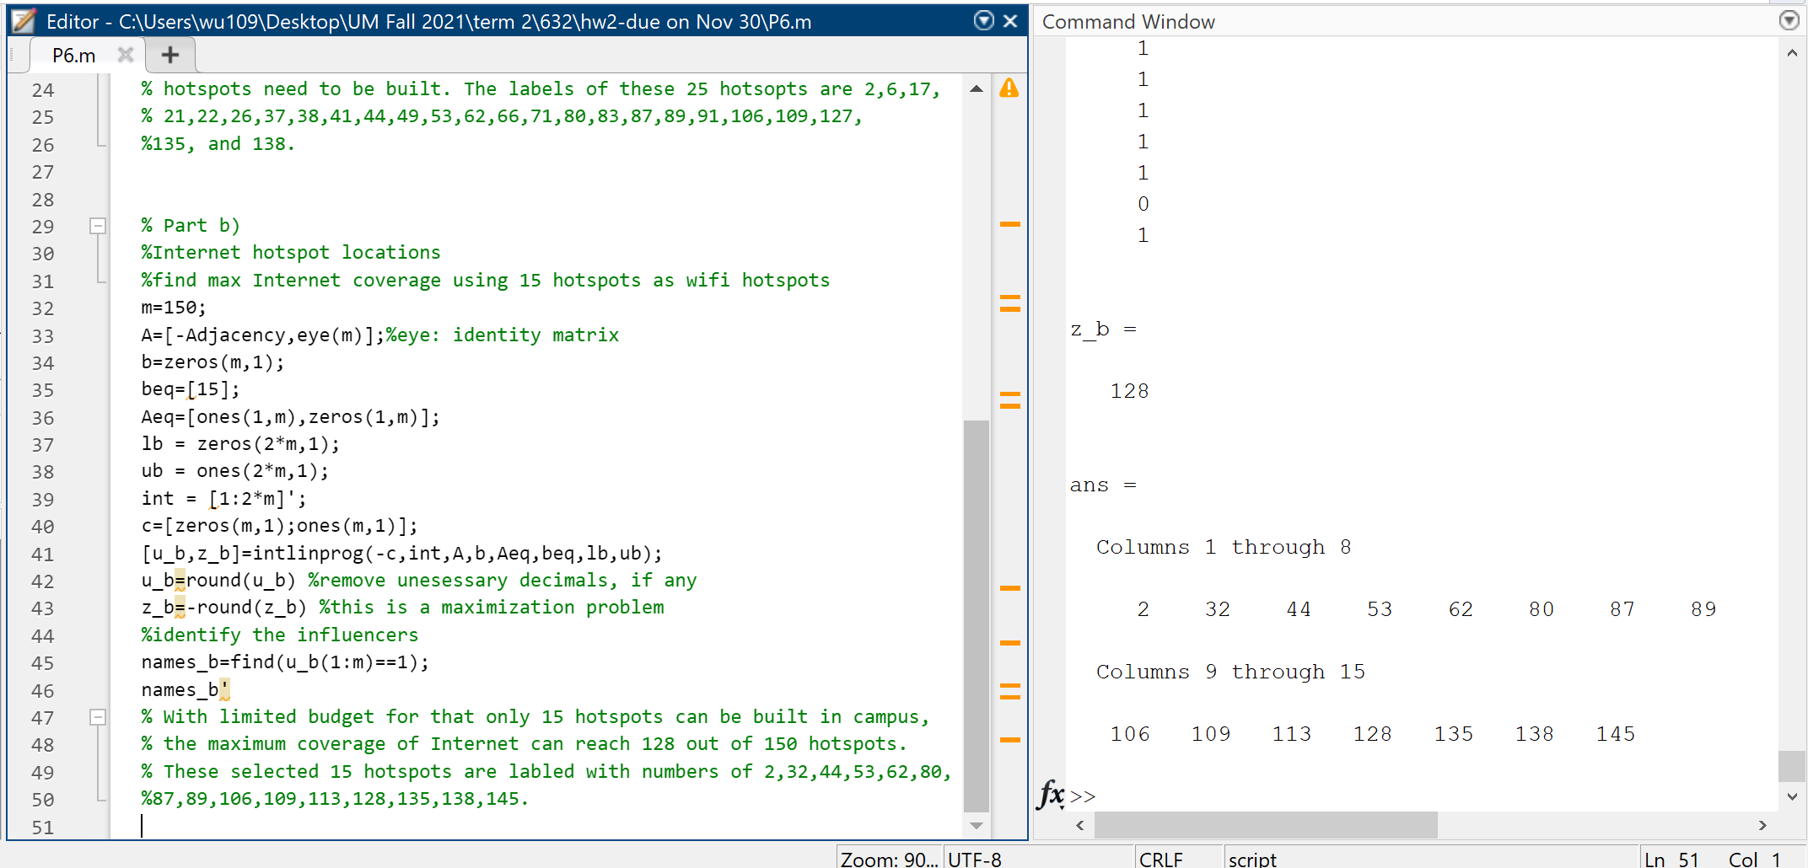
a) Solutions for minimum number of hotspots to be built in to cover the entire campus's Internet
To cover the entire campus with Internet, there are at least 25 hotspots need to be built.
The labels of these 25 hotsopts are 2,6,17,21,22,26,37,38,41,44,49,53,62,66,71,80,83,87,89,91,106,109,127,135, and 138.
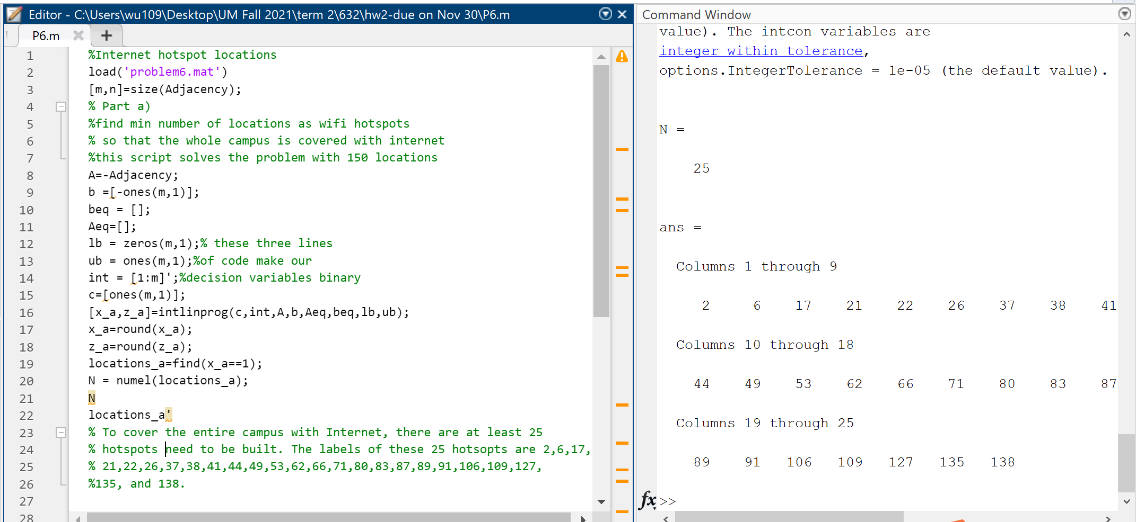

b) With limited budget for building 15 hotspots, find the max coverage of internet
With limited budget for that only 15 hotspots can be built in campus, the maximum coverage of Internet can reach 128 out of 150 hotspots.
These selected 15 hotspots are labled with numbers of 2,32,44,53,62,80,87,89,106,109,113,128,135,138,145.

